Cover Page
Case 3

Assumption:
We assumpt that holding cost is the salary of machine operater. After the machine operater finish the training, the company has to pay their salary each month in order to keep them.
We assume that machines and equipment do not need to be repaired, and the company rents the machines and equipment each time they requires a new class.
We assume that the number of people required by the company cannot be less than the number of people trained

Q1-Q4
Q1-Q3
Q4
Note:
Annual Demand (A): The number of people needed per year is the monthly quantity multiplied by 12 to get the annual quantity
Cost per Order (k): We add the costs of " machines and equipment facilities" " instructor" and "office administration and support fees" to get a value of k, because these fees are required for each new course.
Cost per Unit (c): The learning cost for each heavy machine operator is 1600$
Holding Cost (h): According to assumption, our trainees will begin to receive their wages after they finish their classes. Therefore, the longer the company does not use them, the more holding cost they will cause

Instructor | $3,000 | 8 per month
Machines and equipment | $1,500 | Annual Demand (A) | 96
Office and support fees | $250 | Cost per Order (k) | $4,750
Operator | $1,600 | Cost per Unit (c) | $1,600
Opportunity cost of operator | $1,600 | Holding Cost (h) | 33.68%

Annual Demand (A) | 72 | Optimal Number of People Each Class (Q*) | 41.14
Cost per Order (k) | $4,750 | (Round) Optimal Number of People Each Class (Q*) | 42.00
Cost per Unit (c) | $1,600 | Number of classes per year | 2.33
Holding Cost (h) | 33.68% | Cycle time (Days) | 156.40
 |  | Order costs | $11,085.13
 |  | Holding costs | $11,085.13
Optimal Number of People Each Class (Q*) | 35.63 | Total costs | $22,170.25
(Round) Optimal Number of People Each Class (Q*) | 36.00 | (Round)Total costs | $22,635.79
Number of classes per year | 2.02
Cycle time (Days) | 180.60
Order costs | $9,600.0 | 4 per month
Q3:
According to our assumption, we need to provide more employees than the company needs, so we round up the number in this case. We find that total annual expenditure increased from $19,200 to $19,402.1
Q4:
Answer Bases on the Table Q4
Holding costs | $9,600.0 | Annual Demand (A) | 48
Total costs | $19,200.0 | Cost per Order (k) | $4,750
(Round)Total costs | $19,402.1 | Cost per Unit (c) | $1,600
 |  | Holding Cost (h) | 33.68%
Q1:
Every training class should train about 35.63 people
Q2:
A)
We can calculate the number of classes per year using formula:
Annual Demand (A)/Optimal Number of People Each Class (Q*)
And we can get that every year we need to hold 2 training sessions
B)
We can calculate the annual cost by sum up the order cost and holding cost base on the formula:
And we can get the total annual cost is 19200$ per year

 |  | Optimal Number of People Each Class (Q*) | 29.09
 |  | (Round) Optimal Number of People Each Class (Q*) | 30.00
 |  | Number of classes per year | 1.65
 |  | Cycle time (Days) | 221.19
 |  | Order costs | $7,838.37
 |  | Holding costs | $7,838.37
 |  | Total costs | $15,676.73
 |  | (Round)Total costs | $16,168.42

Q5
Q5

Instructor | $3,000 | Opportunity cost of operator | Q* | Number of classes per year | cycle time | Order costs | Holding costs | Total costs
Machines and equipment | $1,500 | $1,000 | 45.06 | 1.60 | 228.44 | 7589.47 | $7,589.47 | $15,178.93
Office and support fees | $250 | $1,100 | 42.97 | 1.68 | 217.81 | 7959.90 | $7,959.90 | $15,919.80
Operator | $1,600 | $1,200 | 41.14 | 1.75 | 208.54 | 8313.84 | $8,313.84 | $16,627.69
Opportunity cost of operator | $1,600 | $1,300 | 39.52 | 1.82 | 200.36 | 8653.32 | $8,653.32 | $17,306.65
 |  | $1,400 | 38.08 | 1.89 | 193.07 | 8979.98 | $8,979.98 | $17,959.96
 |  | $1,500 | 36.79 | 1.96 | 186.52 | 9295.16 | $9,295.16 | $18,590.32
Annual Demand (A) | 72 | $1,600 | 35.63 | 2.02 | 180.60 | 9600.00 | $9,600.00 | $19,200.00
Cost per Order (k) | $4,750 | $1,700 | 34.56 | 2.08 | 175.21 | 9895.45 | $9,895.45 | $19,790.91
Cost per Unit (c) | $1,600 | $1,800 | 33.59 | 2.14 | 170.27 | 10182.34 | $10,182.34 | $20,364.68
Holding Cost (h) | 33.68% | $1,900 | 32.69 | 2.20 | 165.73 | 10461.36 | $10,461.36 | $20,922.71
 |  | $2,000 | 31.86 | 2.26 | 161.53 | 10733.13 | $10,733.13 | $21,466.25

Optimal Number of People Each Class (Q*) | 35.63
(Round) Optimal Number of People Each Class (Q*) | 36.00
Number of classes per year | 2.0
Cycle time (Days) | 180.6
Order costs | $9,600.0
Holding costs | $9,600.0
Total costs | $19,200.0
(Round)Total costs | $19,402.1

Q6
Q6

Instructor | $3,000 | Delay(Week) | Backorder Penalty cost (p) | Optimal order quantity (Q*) | Quantity at the start of each cycle (S*)
Machines and equipment | $1,500 | 1 | $500 | 51.353097521 | 8.3247169234
Office and support fees | $250 | 2 | $1,000 | 44.194350601 | 9.673182074
Operator | $1,600 | 3 | $1,500 | 41.534812206 | 10.292570913
Opportunity cost of operator | $1,600 | 4 | $2,000 | 40.139016244 | 10.650485239
Backorder Penalty cost (p) | $500

Annual Demand (A) | 72 | Delay(Week) | Max Number of backorders | Number of classes per year | Cycle time (Days)
Cost per Order (k) | $4,750 | 1 | 43.03 | 1.4020575871 | 260.33167493
Cost per Unit (c) | $1,600 | 2 | 34.52 | 1.6291675072 | 224.04080513
Holding Cost (h) | 33.68% | 3 | 31.24 | 1.7334856275 | 210.55842299
 |  | 4 | 29.49 | 1.7937659349 | 203.4825129
Quantity at the start of each cycle (S*) | 8.32
Optimal Number of People Each Class (Q*) | 51.35
Max Number of backorders | 43.03 | Delay(Week) | Order costs | Holding costs | Backorder costs
(Round) Optimal Number of People Each Class (Q*) | 52.00 | 1 | $6,659.77 | $363.65 | $9,013.29
Number of classes per year | 1.40 | 2 | $7,738.55 | $570.54 | $13,482.62
Cycle time (Days) | 260.33 | 3 | $8,234.06 | $687.31 | $17,625.17
Order costs | $6,659.77 | 4 | $8,520.39 | $761.53 | $21,664.05
Holding costs | $363.65
Backorder costs | $9,013.29
Total costs | $16,036.72 | Delay(Week) | Total costs
(Round)Total costs | $16,106.87 | 1 | $16,036.72
 |  | 2 | $21,791.71
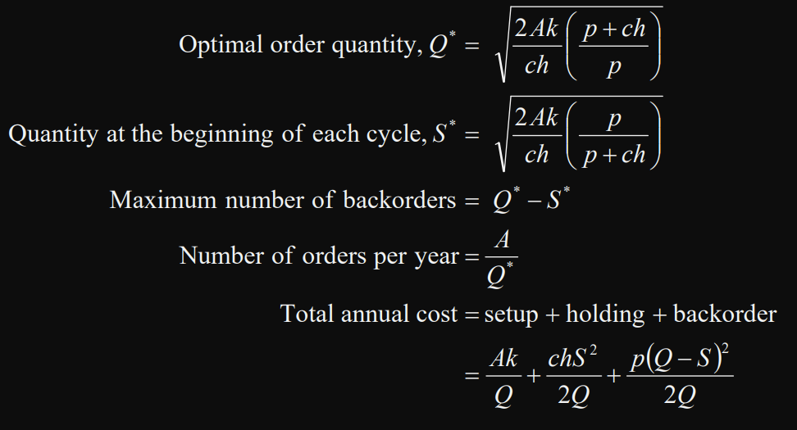
Q6:
Since we need to consider shortage in this problem, we need to calculate backorder penalty cost and Quantity at the start of each class (S*), and change the formula of Q*. Here is the fomula:
 |  | 3 | $26,546.54
 |  | 4 | $30,945.97

